1. Title Page
[Project Name]

Project Name:
Date:
Analyst Name: Milica Kikovic

Contents:
Population Flow
Consistency checks
Wrangling steps
Column derivations
Visualizations
Recommendations

2. Populatiom Flow
Title page

Population flow

Exclusion flag
Condition: max_order < 5
Obervations to be removed: 144045
Final total count of order_products_all: 30959687

Orders_products_combined
Orders_products_all
Orders_products_merged

Total: 32404859
Total: 32434489
Total: 32404859

1.) The grey boxes in the first row of the population flow represent the original data sets as they were when I downloaded them. In the Total fields I have added the count of the rows when I imported the data set into Jupyter.
2.) The second row of boxes (coloured) represents the data sets after I manipulated them, e.g., removed missing values and duplicates. In the Total fields I have added the count of the rows after conducting these operations. This offers a visual oveview of how the data flows throughout the data consistency checks.
3.) The third row, where also the arrows are coloured, represents the merges I performed between the datasets. In the Total fields I have added the count of the rows in the merged datasets, so that the count of the final dataset is in the red box. Keep in mind the final dataset should be without exclusions (based on the exclusion flag).

3. Consistency checks
 |  |  |  | Title page
Consistency checks

Dataset | Missing values | Missing values treatment | Duplicates
orders | column (days_since_prior_order 206209) | 206209 observations with missing values is a significant volume of data. It's not safe to delete or impute them as this could lead to wrong analysis. The dataframe df_ords_missing_values has null values in all the observations with order_number=1 for every user | 0 duplicates found
products | column (product_name ,16 items) | df_prods_clean removed the missing values because they are less then 5% | 5 duplicates duplicates
orders_products_prior | No missing values | No missing values | no duplicates
customers | 11259 missing values in 'first_name' column | There no action needed as first and secound name shouldn't be included in data due PII. | no duplicates

4. Wrangling steps
 |  |  |  | Title page
Wrangling steps

Columns dropped | Columns renamed | Columns' type changed | Comment/Reason
orderas | eval_set |  | Not needed for analyses
orders |  | order_dow | Changed the volumn 'orders_day_of week, due unclear naming
orders |  | orders_id | changed data type to string
orders |  | user_id | changed data type to string

customers |  | Surname | renamed to surname
customers |  | fam_status | ,unclear naming,renamed to family_status
customers |  | n_dependants | ,unclear namingrenamed to dependants
customers |  | STATE | Inconsinstent naming,rename to states
customers |  | First Name | Inconsinstent naming,rename to first_name
customers | date_joined |  | Not needed for analyses
customers

5. Column derivations
 |  |  |  |  | Title page

Column derivations and aggregations

In this tab you should add tables below that the frequences of flags/label variables that you produced after deriving them. NB: don't do this for continuous variables, only for flags.
Dataset | New column | Column/s it was derived from | Conditions | Deriving the meaning of a column in a dataset
orders_products_merge | price_range_loc | prices | ords_prods_merge.loc[ords_prods_merge['prices'] > 15, 'price_range_loc'] = 'High-range product' ords_prods_merge.loc[(ords_prods_merge['prices'] <= 15) & (df['prices'] > 5), 'price_range_loc'] = 'Mid-range product' ords_prods_merge.loc[ords_prods_merge['prices'] <= 5, 'price_range_loc'] = 'Low-range product' | Instacart data frame is very large , for purpose of derivng product range ,CF made subset of first 1 000 000 products, df = ords_prods_merge[:1000000] setting low (<=5) , mid ( <=15 , >5) and high (>15) price ranges , where max ['max_price] = 14.8
orders_products_merge | busiest_day | orders_day_of_week | for value in ords_prods_merge["orders_day_of_week"]: if value == 0: result.append("Busiest day") elif value == 4: result.append("Least busy") else: result.append("Regularly busy")
orders_products_merge | busiest_day | orders_day_of_week | for value in df_ords_prods_merge["order_day_of_week"]: if value == 0 or value == 1: result_2.append("Busiest days") elif value == 4 or value == 3: result_2.append("Slowest days") else: result_2.append("Regularly busy")
orders_products_merge | busiest_period_of_day | order_hour_of_day | for value in ords_prods_merge["order_hour_of_day"]: if value in [10, 11, 14, 15, 13, 12, 16, 9]: result_3.append("most_orders") elif value in [17, 8, 18, 19, 20, 7, 21, 22]: result_3.append("average_orders") else: result_3.append("fewest_orders") | Range number for most orders represents frequency of busiest hour of day . Range of numbers are based on histogram , showing 9-16H as time with the most of orders, hours 7,8,17 -22 as average orders, and the rest of numbers represents "fewest orders.
orders_products_merge | max_order | user_id and number_of_orders | ords_prods_merge['max_order'] = ords_prods_merge.groupby(['user_id'])['number_of_orders'].transform(np.max)
Orders_products_merge | loyalty_glag | max_order and user_id | ords_prods_merge.loc[ords_prods_merge['max_order'] > 40, 'loyalty_flag'] = 'Loyal customer' ords_prods_merge.loc[(ords_prods_merge['max_order'] <= 40) & (ords_prods_merge['max_order'] > 10), 'loyalty_flag'] = 'Regular customer' ords_prods_merge.loc[ords_prods_merge['max_order'] <= 10, 'loyalty_flag'] = 'New customer' | df_big['max_order'] =df_big.groupby(['user_id'])['order_number'].transform(np.max) The loyalty flag is determined based on the user_id frequency of max order and user_id (If the max order is 10, then that 10 will appear within the dataframe 10 times—once for each time that user ID made an order.) The criteria for max number is 40(CF showed this as the max value)
orders_products_merge | mean_price | user_id and price | df_ords_prods_merge['average_spend']= df_ords_prods_merge.groupby(['user_id'])['prices'].transform(np.mean)
orders_products_merge | median_days_since_prior_order | user_id and days_since_prior_order | ords_prods_merge['median_days_since_prior_order'] = ords_prods_merge.groupby(['user_id'])['days_since_prior_order'].transform(np.median)
orders_products_merge | frenquency_flaf | median_days_since_pror_order | ords_prods_merge.loc[ords_prods_merge['median_days_since_prior_order'] > 20, 'frequency_flag'] = 'Non-frequent customer' ords_prods_merge.loc[(ords_prods_merge['median_days_since_prior_order'] <= 20) & (ords_prods_merge['median_days_since_prior_order'] > 10), 'frequency_flag'] = 'Regular customer' ords_prods_merge.loc[ords_prods_merge['median_days_since_prior_order'] <= 10, 'frequency_flag'] = 'Frequent customer' | Number for criteria to determine frequency flag (10 and 20) that marks the regularity of a user’s ordering behavior according to the median in the “days_since_prior_order” column, were ordered as part of CF. task 4.8
df_big | region | state | northeast_states = ['Maine','New Hampshire','Vermont','Massachusetts','Rhode Island','Connecticut','New York','Pennsylvania','New Jersey'] df_big.loc[df_big['State'].isin(northeast_states),'regions']= 'Northeast] midwest_states= [ 'Wisconsin','Michigan','Illinois','Indiana','Ohio','North Dakota','South Dakota','Nebraska','Kansas','Minnesota','Iowa','Missouri'] df_big.loc[df_big['State'].isin(midwest_states),'regions']= 'Midwest' south_states = ['Delaware','Maryland','District of Columbia','Virginia','West Virginia','North Carolina','South Carolina','Georgia','Florida','Kentucky','Tennessee','Mississippi','Alabama','Oklahoma','Texas','Arkansas','Louisiana'] df_big.loc[df_big['State'].isin(south_states),'regions']= 'South' west_states = ['Idaho','Montana','Wyoming','Nevada','Utah','Colorado','Arizona','New Mexico','Alaska','Washington','Oregon','California','Hawaii'] df_big.loc[df_big['State'].isin(west_states),'regions']= 'West'
df_big | spending_flag | spending_by_region | df_big.loc[df_big['prices'] < 10, 'spending_flag'] = 'low spender' df_big.loc[(df_big['prices'] >= 10) & (df_big['prices'] <= 25), 'spending_flag'] = 'high spender'
df_big | low_activity_samle | low_activity_flag | df_big.loc[df_big['order_number'] < 5, 'customer_activity'] = 'low_activity customers' df_big.loc[df_big['order_number'] >= 5, 'customer_activity'] = 'high_activity customer' | Column low_activity_flag is was created during Task 4.10. The rest of the columns above were derived through course exercises, and they were criteria to complete exercise.

6. Visualizations
 |  |  |  |  | Title page

Visualisations and Recommendations

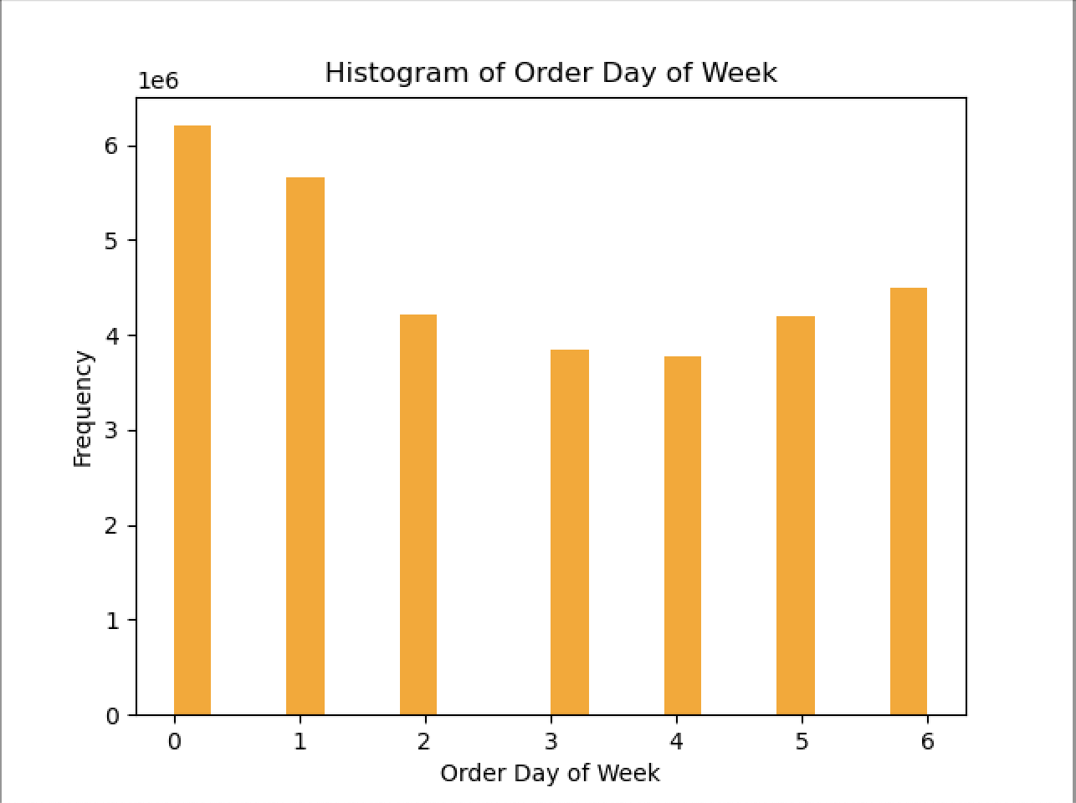
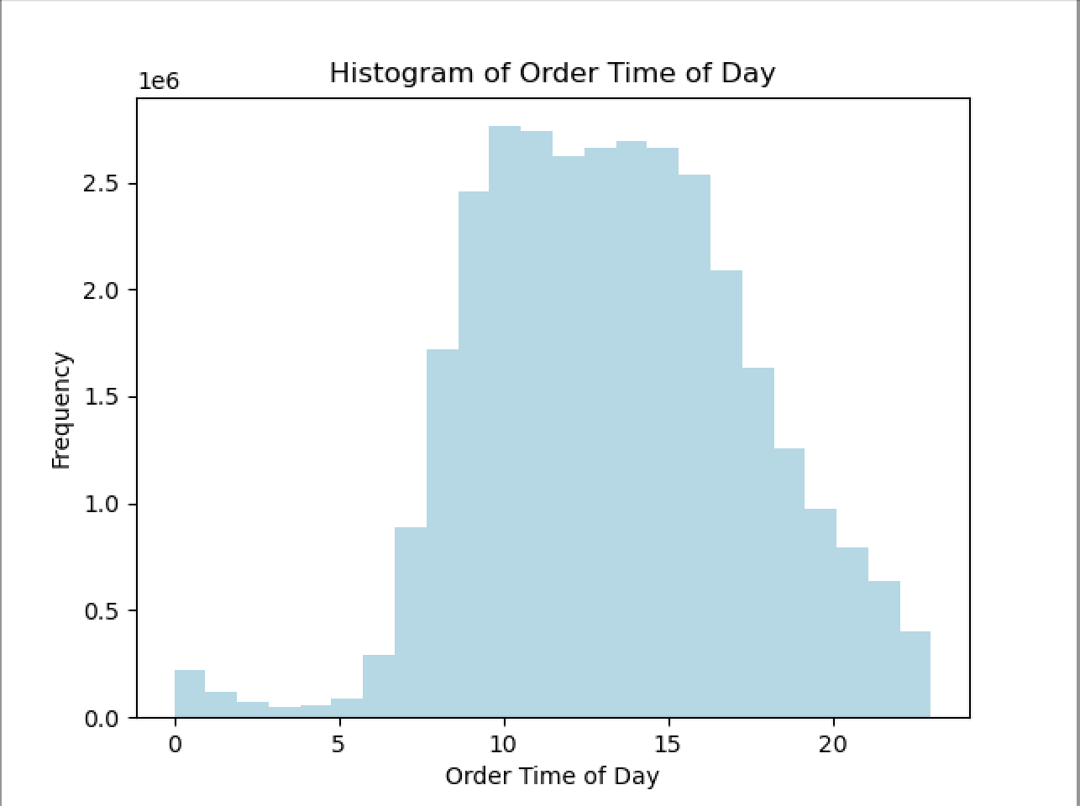

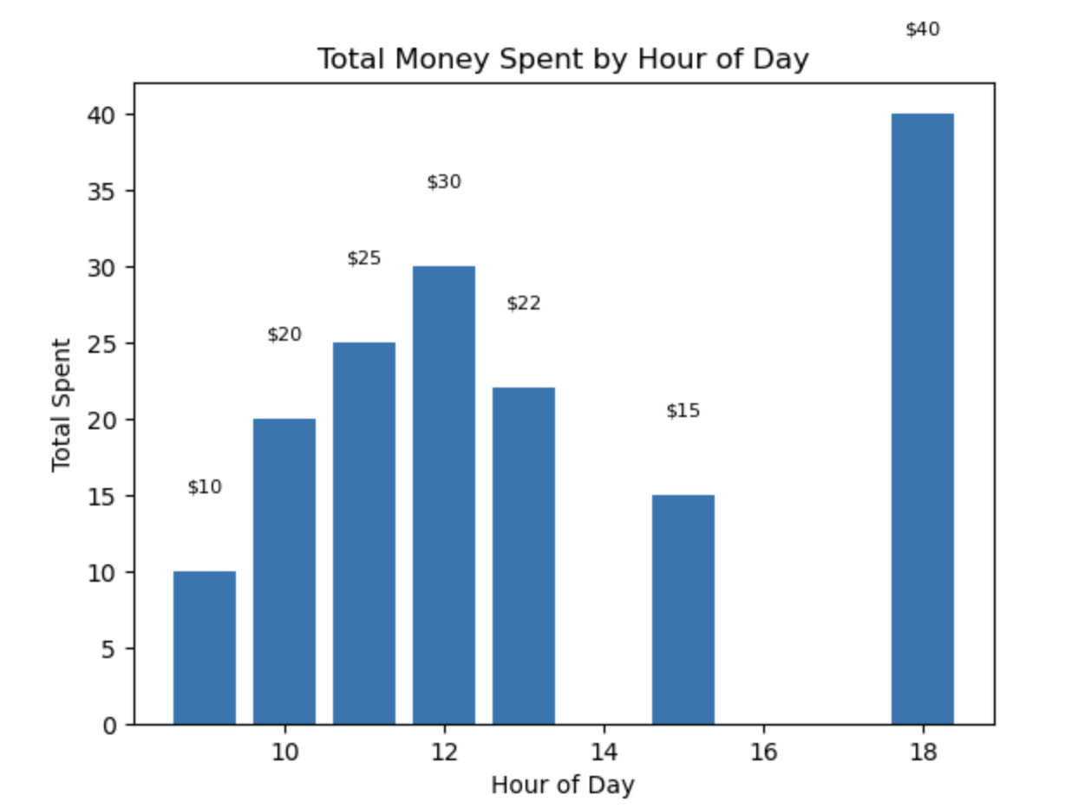

Recommendations:

Based on the information that the 18th hour is the time with the most money spent per order (presumably due to a higher order value of $40)

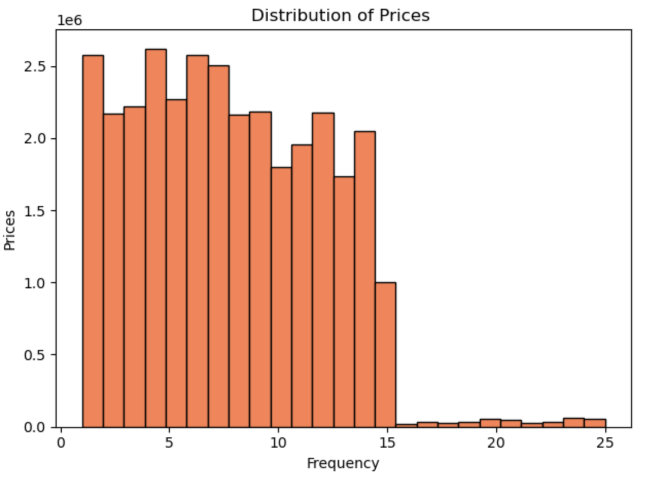
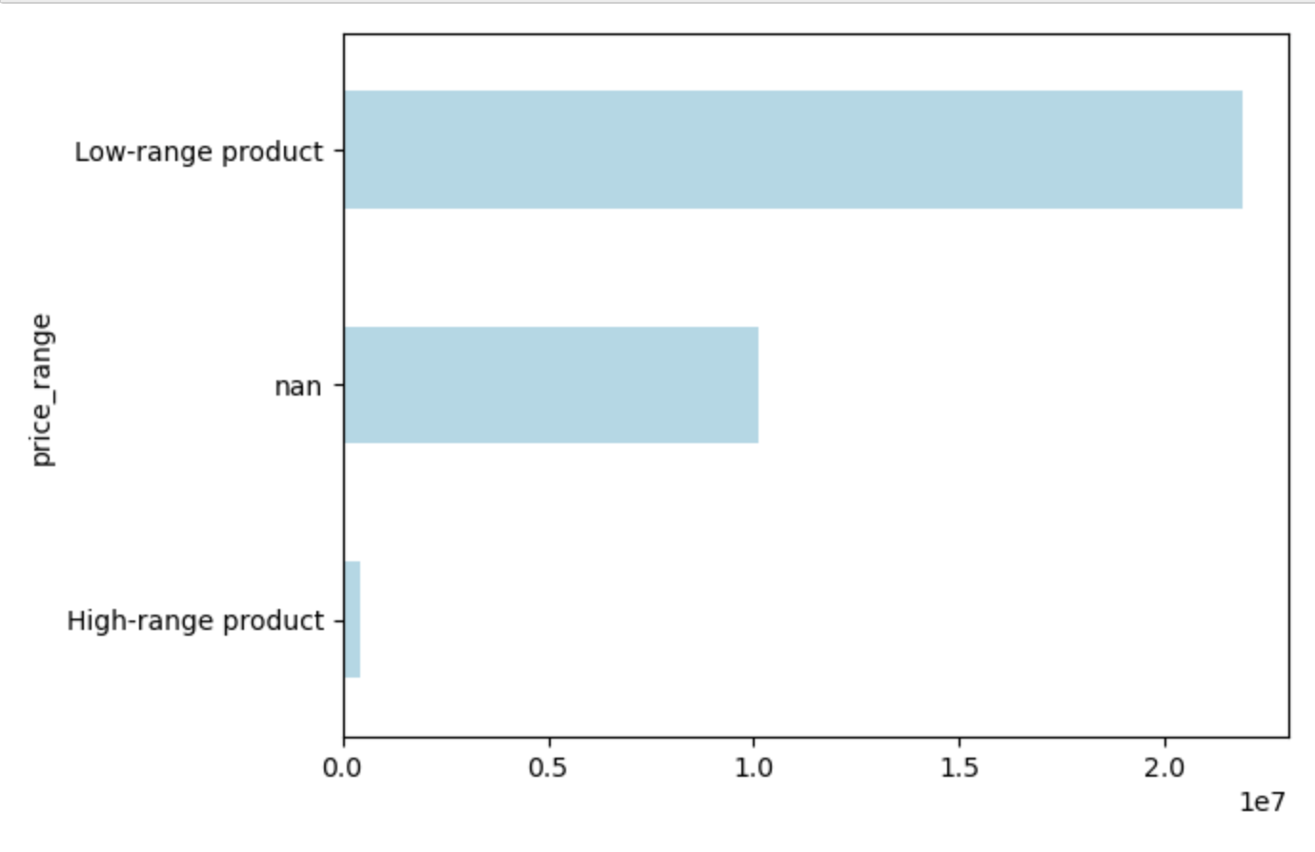

Price

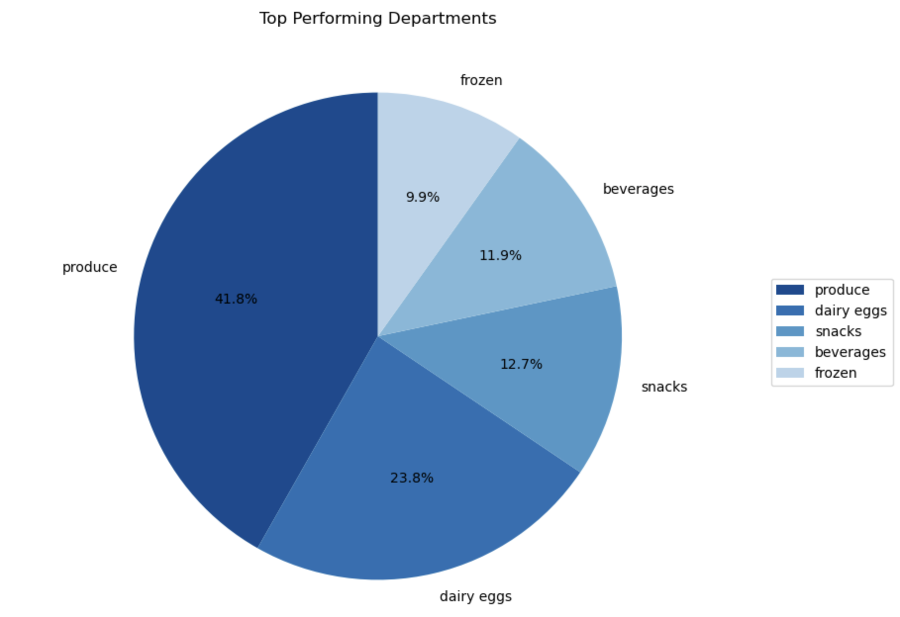
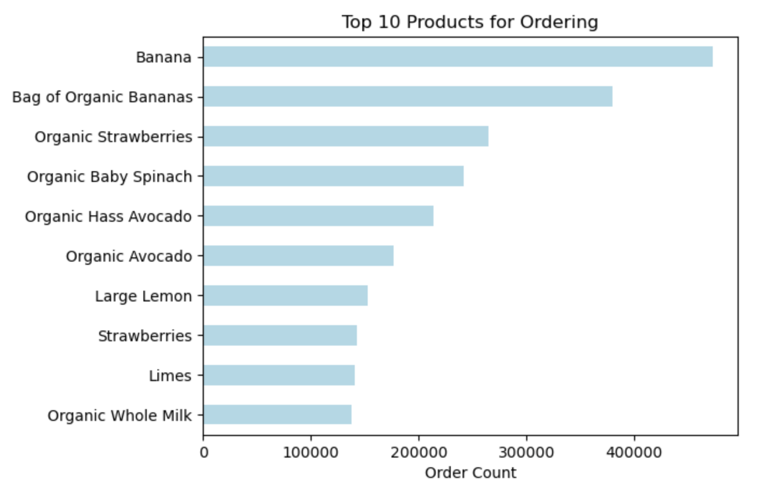

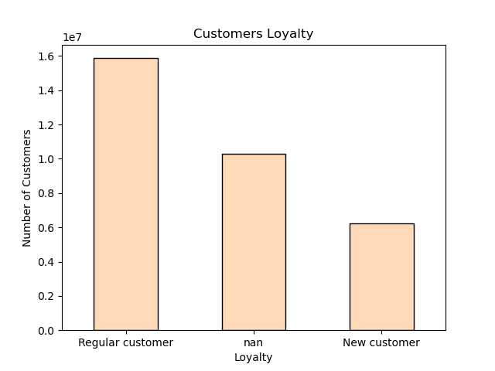
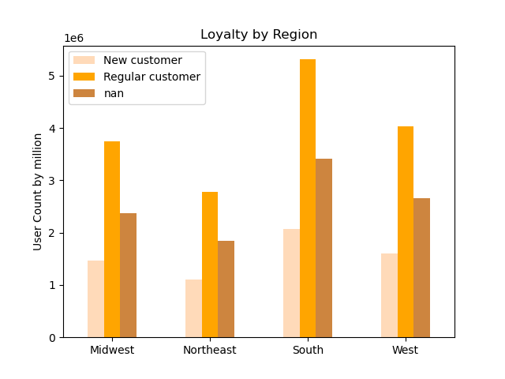

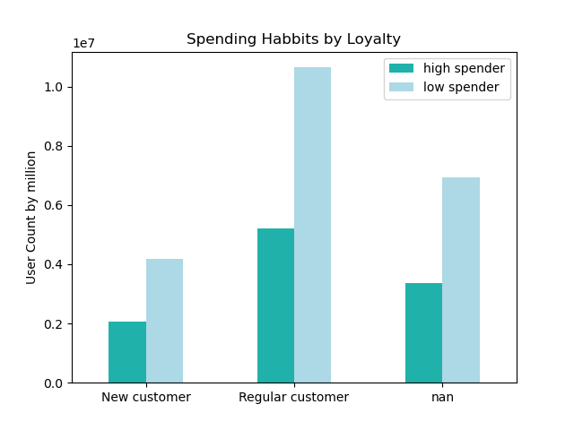

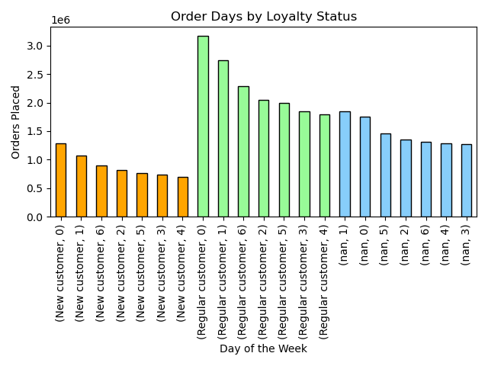
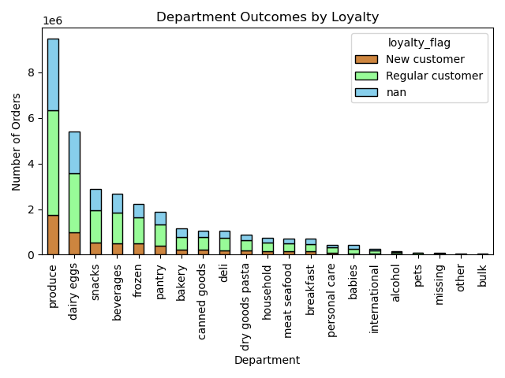

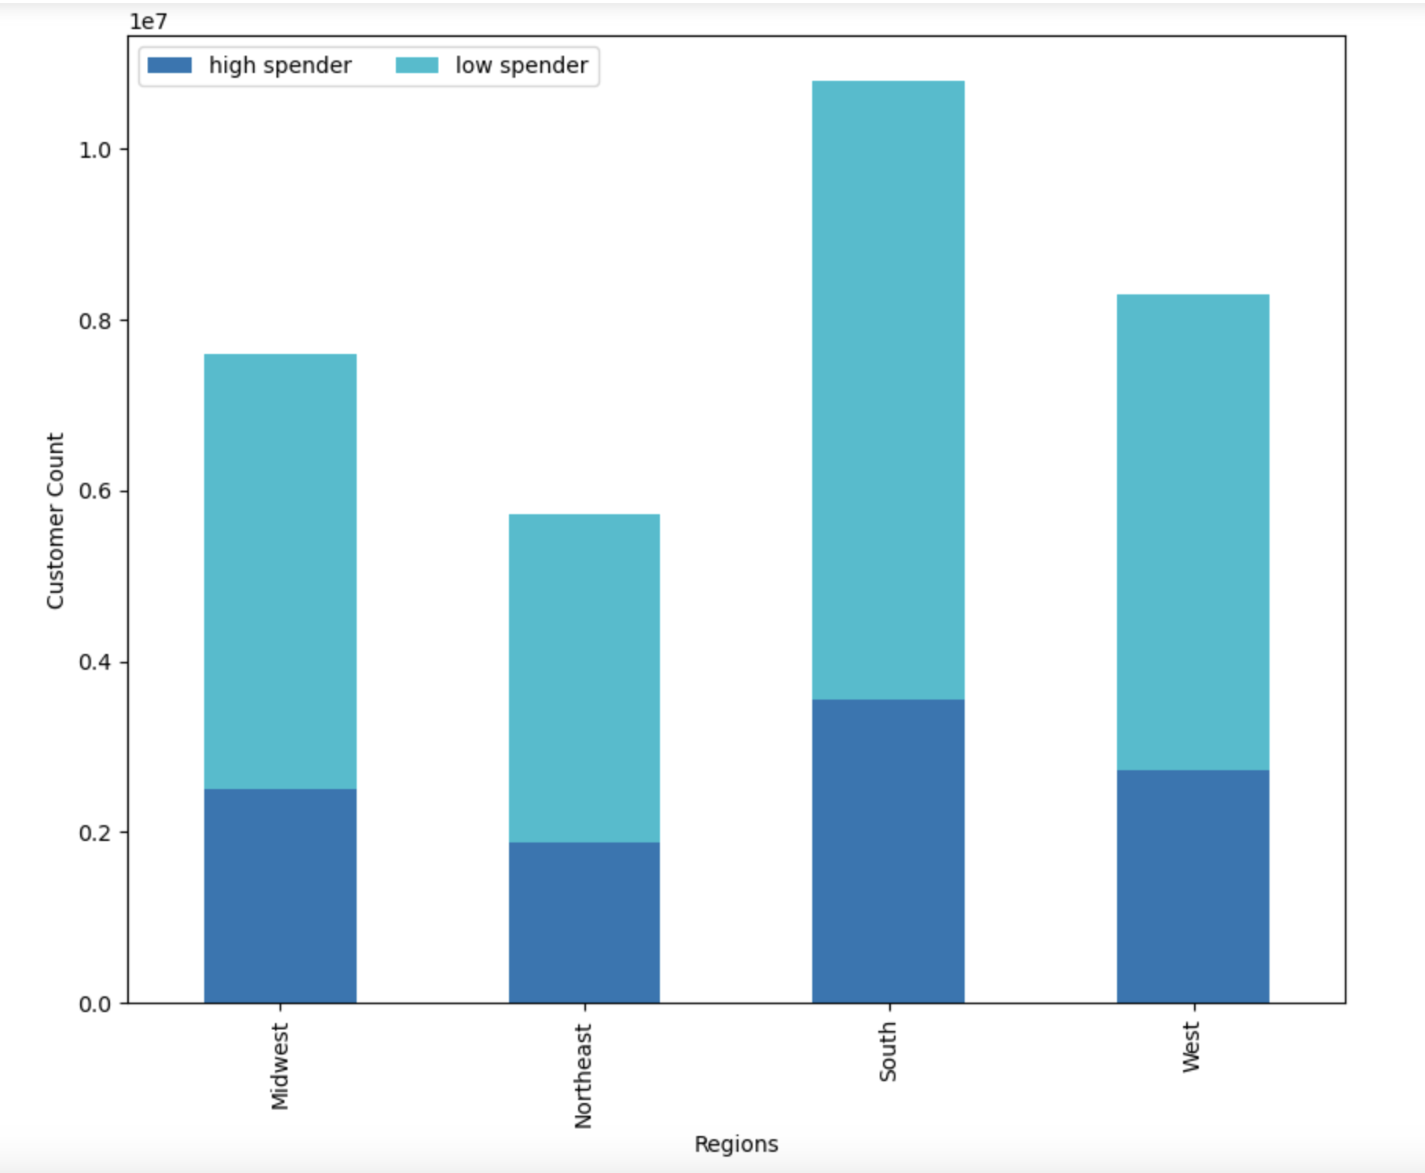

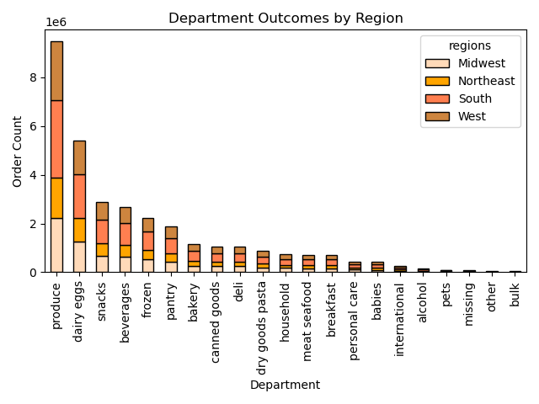

 |  |  | dd

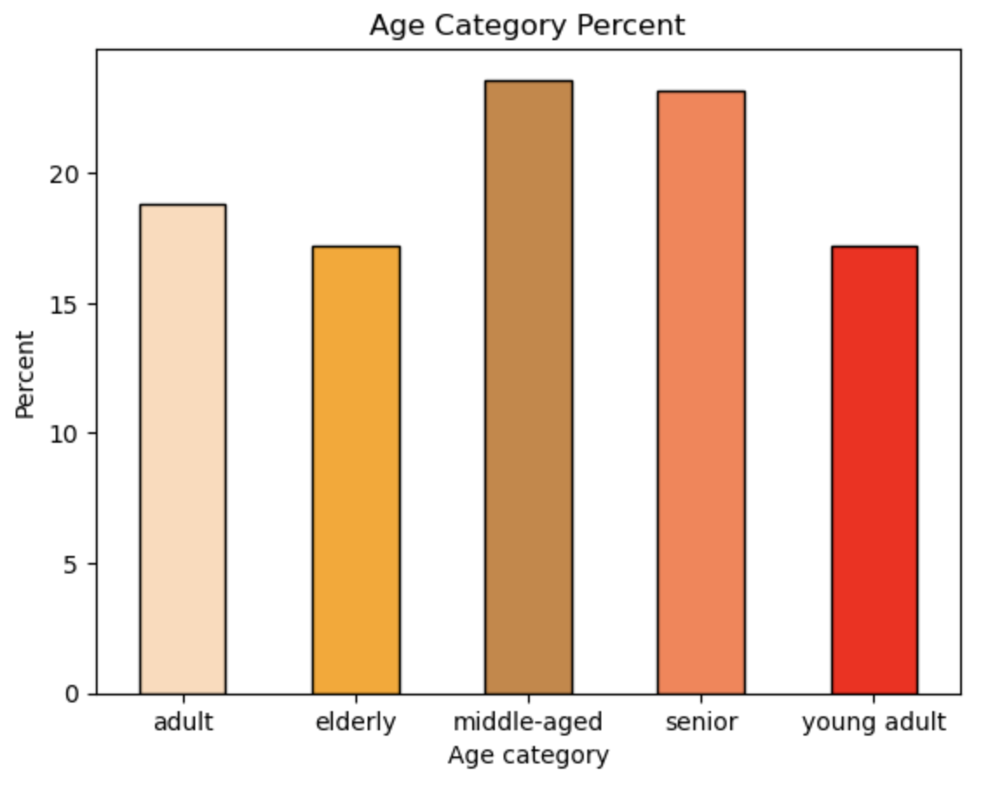
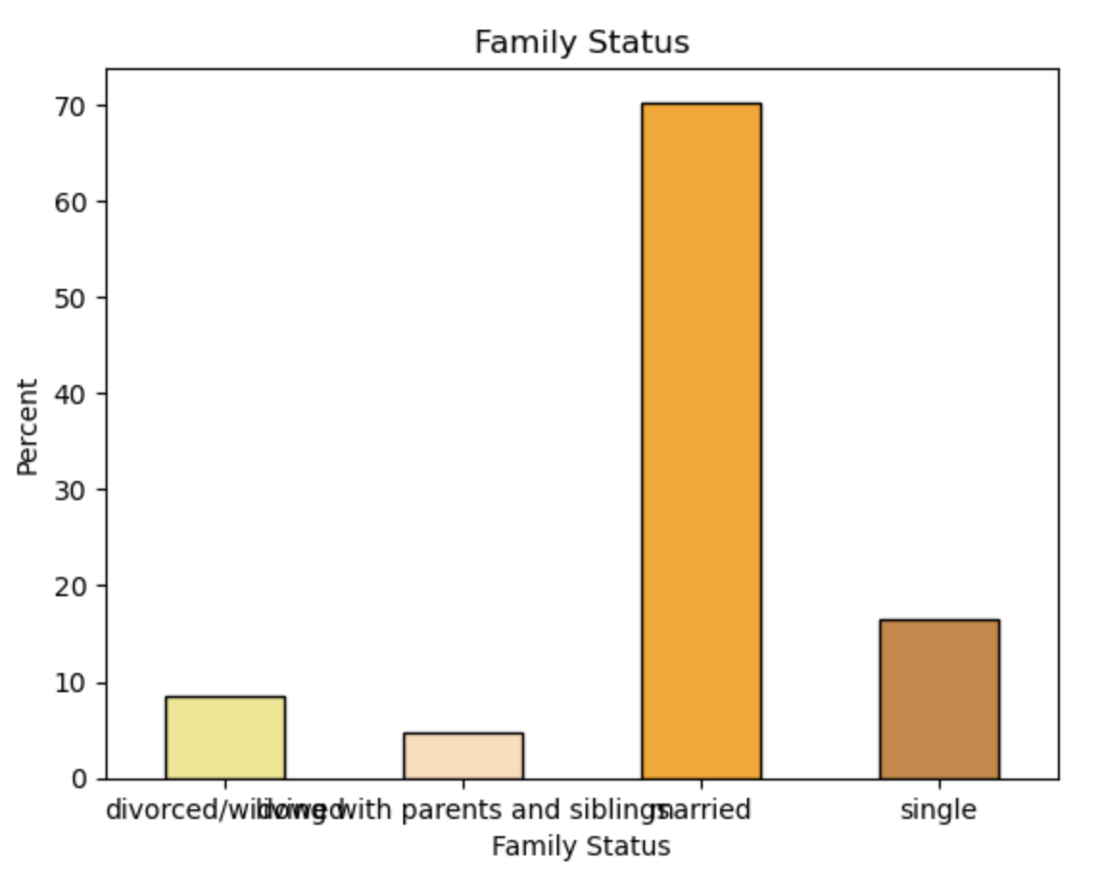

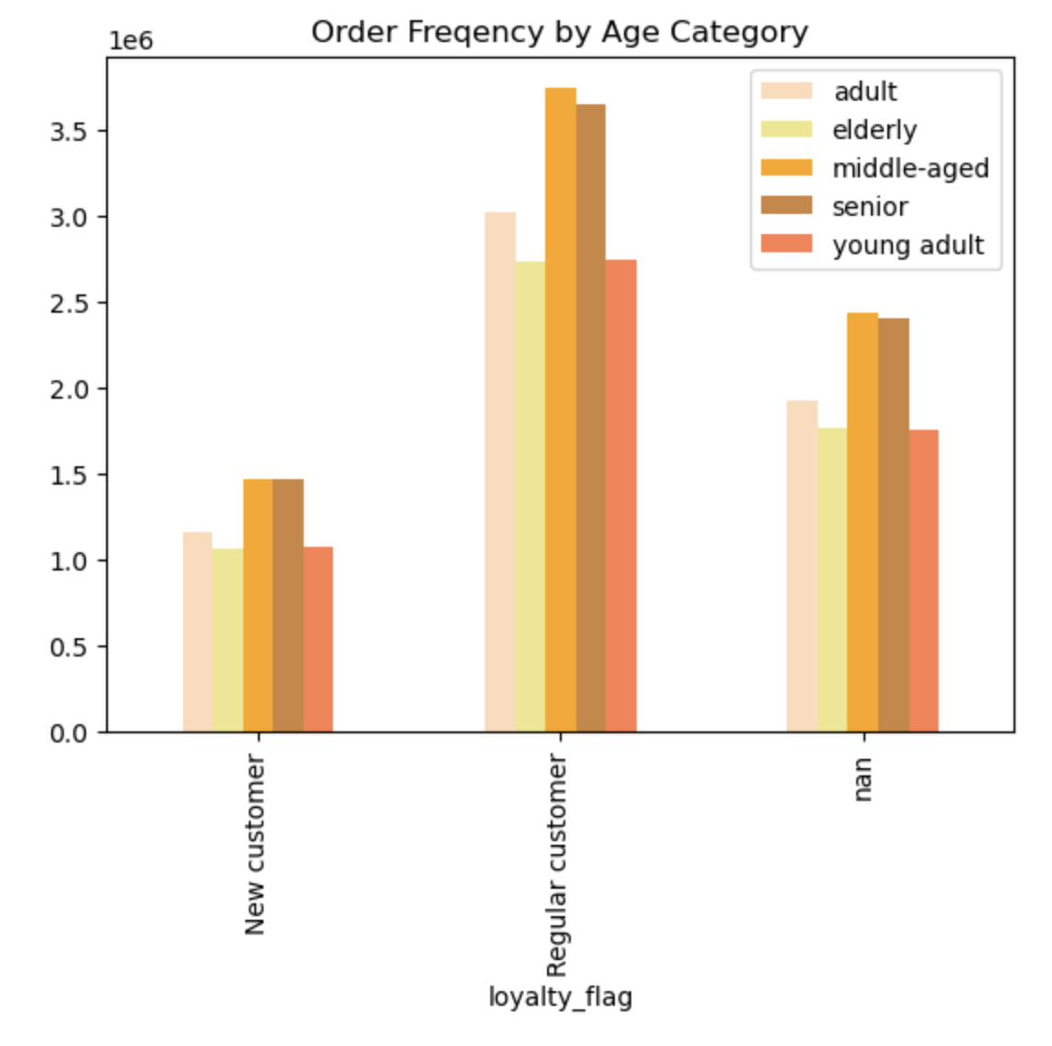
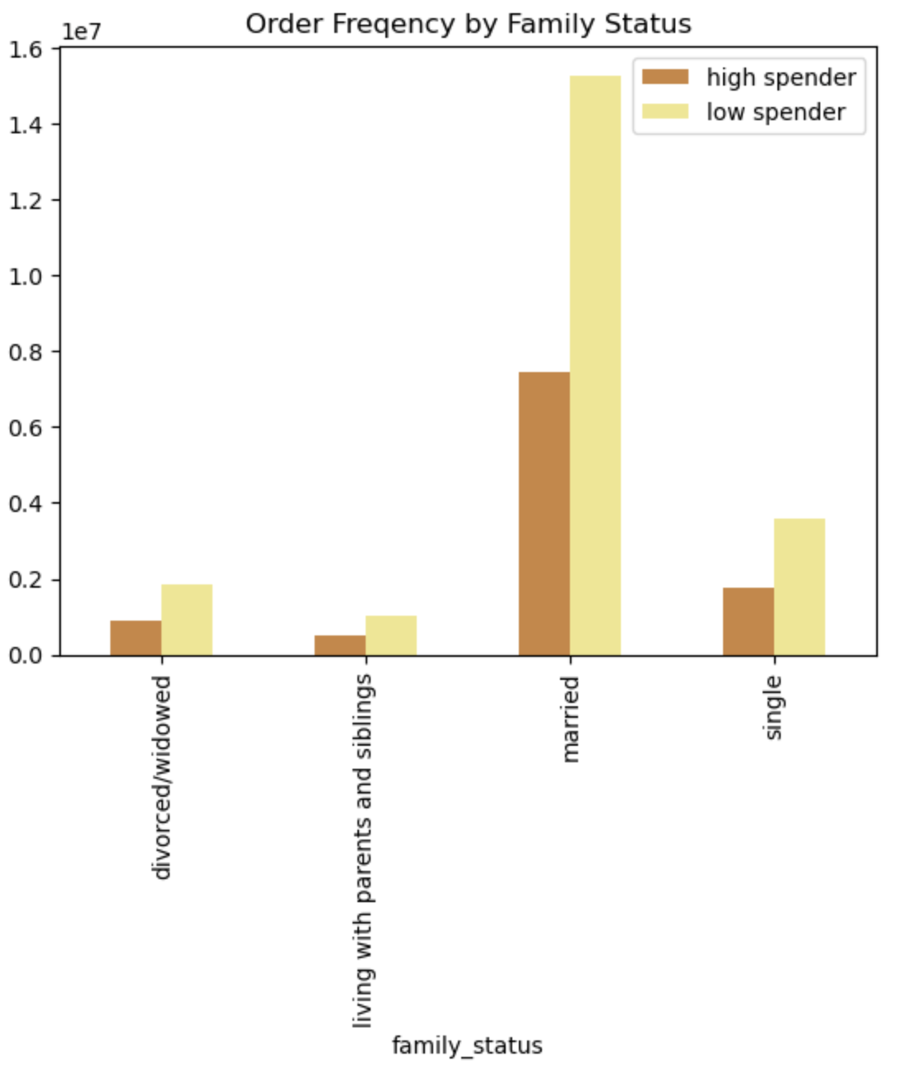



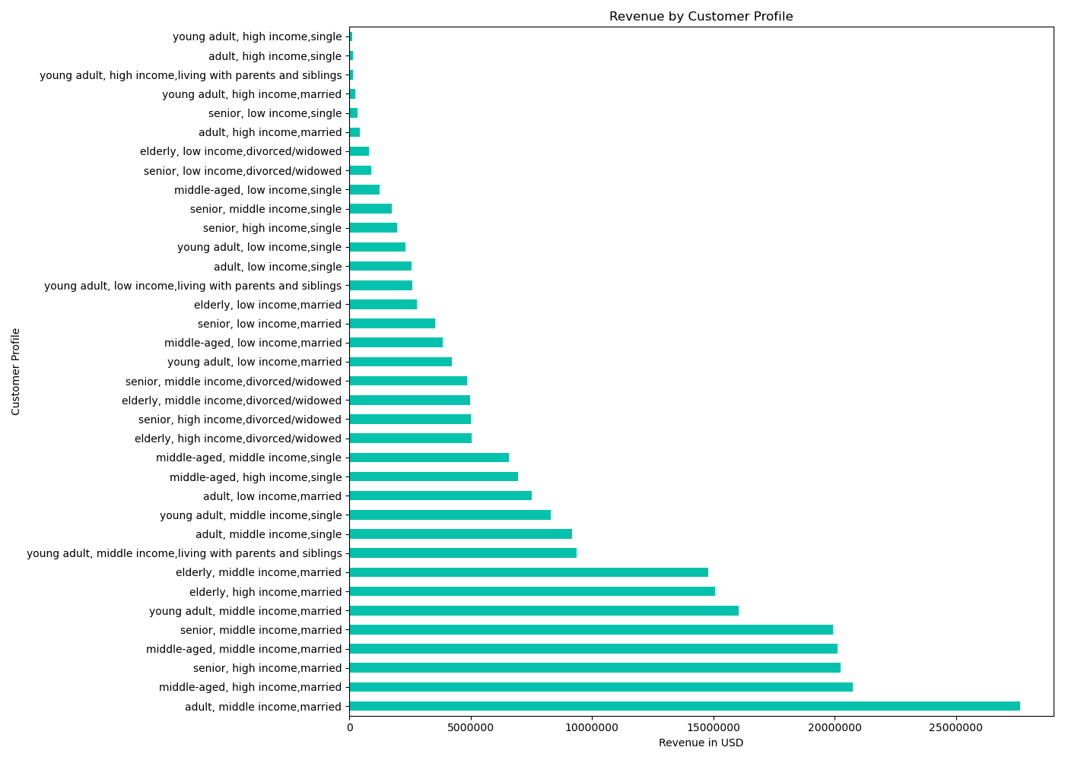
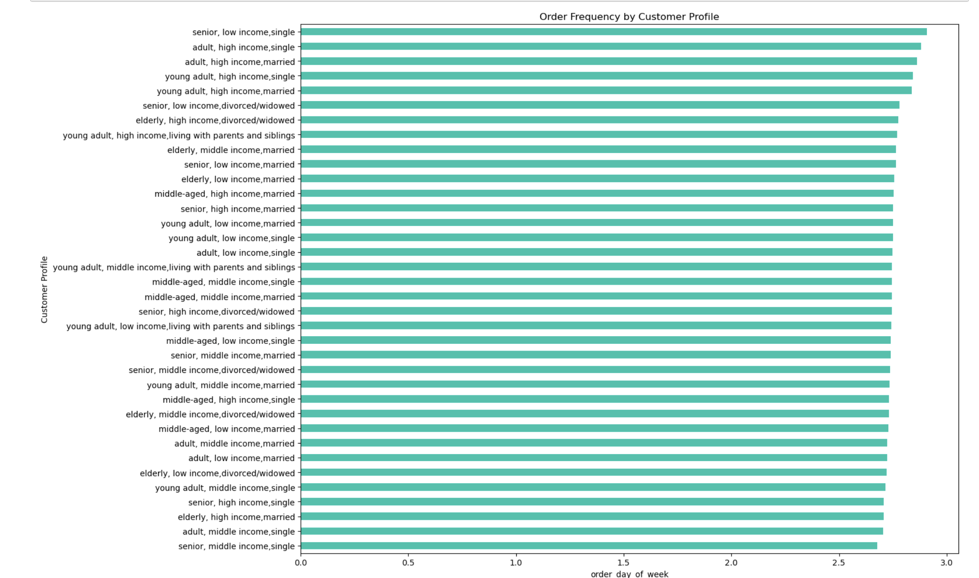

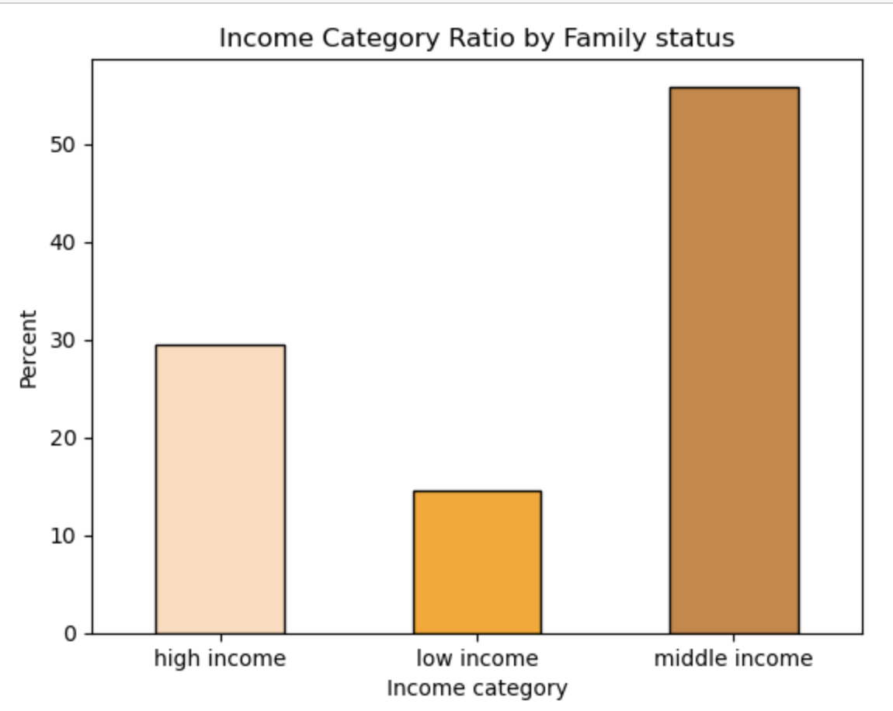

 | Recommendations: |  |  |  |  | Our top five revenue customer profiles are:
 |  |  |  |  |  |  | 1.Adult,middle Income,married
 |  |  |  |  |  |  | 2.Middle Aged ,high income,married
 |  |  |  |  |  |  | 3.Senior, high Income,married
 |  |  |  |  |  |  | 4.Middle aged,middle Income,married
 |  |  |  |  |  |  | 5.Senior, middle income,married

 |  |  |  |  |  | Our worst five revenue customer profiles are:

 |  |  |  |  |  |  | 1.Young adulthigh income,single
 |  |  |  |  |  |  | 2.Adult, high income,single
 |  |  |  |  |  |  | 3.young adult,high income,livimng with parents and sibilings
 |  |  |  |  |  |  | 4.young adult, high income,married
 |  |  |  |  |  |  | 5.senior, low income,single
 |  | One third of our customers make between 100,000 and 150,000 per year.

 |  | In all consumer profiles, the frequency of orders remains relatively similar.
 |  | Highest and middle income,married groups generate the most sales. The sales team should concentrate on displaying advertisements for single people with high and mid incomes
 |  | By offering premium subscription that provides subscribers with unlimited free delivery on orders above a certain threshold.
 |  | Start a customer loyalty program. Brand loyalty programs, sometimes referred to as customer retention programs,
 |  | are an effective way to increase purchase frequency because they motivate customers to purchase more often in order to earn valuable rewards.

 |  |  |  | Top Recommendation

 |  |  |  | Targeting Ads and Promotions:

 |  |  |  | Focus ads on weekdays (Monday-Friday) to capture higher order quantities.
 |  |  |  | Avoid running ads late at night (after 11 pm) when most customers are asleep.
 |  |  |  | Target high and middle-income married couples with ads since they are the top revenue generators.
 |  |  |  | Consider offering a premium subscription with free delivery for high-spending customers.
 |  |  |  | Customer Loyalty:

 |  |  |  | Create a loyalty program to incentivize repeat business, especially for customers placing 4+ monthly orders.
 |  |  |  | Offer new customer coupons and referral programs to grow the customer base.
 |  |  |  | Product Focus:

 |  |  |  | Prioritize marketing efforts for produce and dairy & eggs departments as they have the highest sales.
 |  |  |  | Understanding Customer Behavior:

 |  |  |  | Loyal customers shop more on Sundays than weekdays, while regular and new customers shop least on Wednesdays and Tuesdays.
 |  |  |  | High spenders order less frequently than low spenders across all loyalty groups.
 |  |  |  | Age and marital status can influence order frequency. Singles and young adults tend to order more frequently.
 |  |  |  | Expanding Customer Base:

 |  |  |  | Target middle-aged adults (40-41 year-olds) not yet using the platform to leverage their higher income potential.

7. Recommendations
 |  | Title page

Recommendations

In this tab you should include any recommendations you would made to Instcart in terms of their marketing strategy based on the questions posed in the brief. Every key question has been covered in the Tasks of the Exercises - here you need to add an item - a visualisation or table/crosstable that is showing the answer in the data, acompanied by a comment from you. Please, list the questions below and add the answer underneath.

Question | Answer
Key Question 1
Key Question 2
Key Question 3
Key Question 4
Key Question 5
Key Question 6
Key Question 7

